Q10
Questions
 | Calculate MINIMUM, MAXIMUM, TOTAL, AVERAGE.
 | Calculate Incentive by using "IF" Function as If Average amount is more that 1,00,000 then incentive 15,000 elase incentive = 5,000
 | Conditionaly format Incentive column in Green color for Incentive >= 5000
 | Use Comma (,) Seperater for thousand

Type these figures
Calculate these figures
S.No | NAME | SALES 2001 | SALES 2002 | SALES 2003 | MINIMUM | MAXIMUM | TOTAL | AVERAGE | INCENTIVE | AVG INCENTIVE
1 | PRIYA.W | 100000 | 85000 | 410000 | 85000 | 410000 | 595000 | 198333.3 | 19,833.33 | 15000
2 | NARESH.B | 225000 | 96000 | 115000 | 96000 | 225000 | 436000 | 145333.3 | 14,533.33 | 15000
3 | SUNIL.Y | 180000 | 410000 | 18000 | 18000 | 410000 | 608000 | 202666.7 | 20,266.67 | 15000
4 | SHITAL.S | 85000 | 115000 | 100000 | 85000 | 115000 | 300000 | 100000.0 | 10,000.00 | 5000
5 | VAISHALI.J | 96000 | 18000 | 75000 | 18000 | 96000 | 189000 | 63000.0 | 6,300.00 | 5000
6 | GAURI.P | 410000 | 10000 | 80000 | 10000 | 410000 | 500000 | 166666.7 | 16,666.67 | 15000
7 | KIRAN.K | 225000 | 75000 | 60000 | 60000 | 225000 | 360000 | 120000.0 | 12,000.00 | 15000
8 | SANJAY.D | 125000 | 80000 | 74000 | 74000 | 125000 | 279000 | 93000.0 | 9,300.00 | 5000
9 | SUJATA.D | 100000 | 60000 | 65000 | 60000 | 100000 | 225000 | 75000.0 | 7,500.00 | 5000
10 | PRANJALI.K | 225000 | 74000 | 78000 | 74000 | 225000 | 377000 | 125666.7 | 12,566.67 | 15000
11 | DEEPALI.K | 80000 | 65000 | 77000 | 65000 | 80000 | 222000 | 74000.0 | 7,400.00 | 5000
12 | RENA.W | 140000 | 78000 | 127000 | 78000 | 140000 | 345000 | 115000.0 | 11,500.00 | 15000
13 | PALLAVI.B | 74000 | 77000 | 410000 | 74000 | 410000 | 561000 | 187000.0 | 18,700.00 | 15000
14 | AMIT.B | 65000 | 127000 | 115000 | 65000 | 127000 | 307000 | 102333.3 | 10,233.33 | 15000
15 | PRANAY.B | 78000 | 418000 | 18000 | 18000 | 418000 | 514000 | 171333.3 | 17,133.33 | 15000
16 | GAURAV.R | 77000 | 115000 | 100000 | 77000 | 115000 | 292000 | 97333.3 | 9,733.33 | 5000
17 | MAYUR.L | 127000 | 18000 | 175000 | 18000 | 175000 | 320000 | 106666.7 | 10,666.67 | 15000
18 | ANAND.R | 418000 | 100000 | 80000 | 80000 | 418000 | 598000 | 199333.3 | 19,933.33 | 15000
19 | SWAPNIL.R | 515000 | 75000 | 60000 | 60000 | 515000 | 650000 | 216666.7 | 21,666.67 | 15000
20 | SHILPA.M | 96000 | 80000 | 18000 | 18000 | 96000 | 194000 | 64666.7 | 6,466.67 | 5000

Q21
Question :- Kindly make the column chart like this
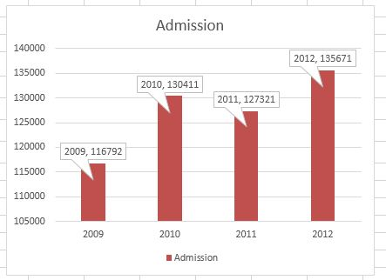

 | Year | Admission
 | 2009 | 116792
 | 2010 | 130411
 | 2011 | 127321
 | 2012 | 135671

